Location Plan
Intelligent Data Collection Limited

Client: | Bristol City Council
Project Number: | ID02263
Junction Number: | Site 4
Date of Survey: | 24.03.2015
Road Name: | Severn Road

Junction Layout
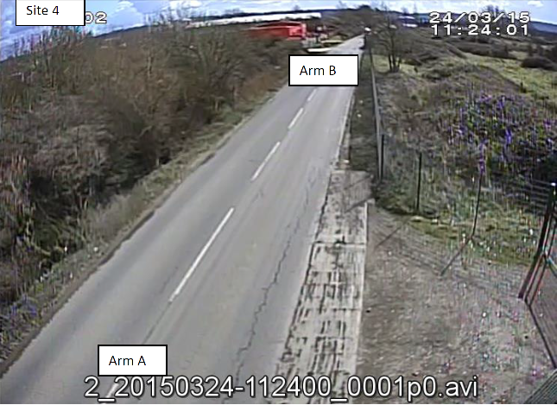

1

2

Site Observations

Weather Conditions: |  | AM Peak: Sunny | PM Peak: Cloudy

Additional Notes (Factors which may impact on survey results such as accidents, roadworks, special events):

